Caesar Dressing (2)
RECIPE: | Caesar Dressing
Ingredients | Quantity | Measure | Unit Cost | Total Cost
Garlic Clove | 0.33 | Cup | $2.00 | $0.60
Lemon Juice | 1.50 | Cups | $0.88 | $1.32
Red Wine Vinegar | 4.00 | Cups | $0.56 | $2.24
Worcestershire | 2.00 | Cups | $0.88 | $1.76
Dijon | 1.00 | Cup | $1.52 | $1.52
Toasted/ Ground Black Peppercorn | 1.00 | Cup | $6.33 | $6.33
Salt | 0.50 | Cup | $0.64 | $0.64
Pamace Oil | 5.00 | Qts | $11.40 | $57.00
Egg Yolk | 2 | Cups | $1.05 | $2.05
Grated Parmesan | 8 | Cups | $2.74 | $21.92
Anchovy | 0.33 | Each | $21.95 | $7.31

Assembly: |  | Yield Amount: |  | 320
1. Combine garlic, lemon juice, red wine vinegar, Worcestershire, Dijon, black peppercorn, and salt in a blender or food processor. |  | Yield Measure: |  | oz
2. Add egg yolks and anchovies, then blend until smooth. |  | Shelf Life (in days): |  | 7 days
3. With the motor running, slowly drizzle in the pomace oil until the dressing is thick and emulsified. |  | Tools & Supplies:
4. Stir in the grated parmesan by hand. |  | Cutting Board
Refrigerate until ready to use. |  | Fryer
 |  | Dinner plate

Photo: |  | Knife
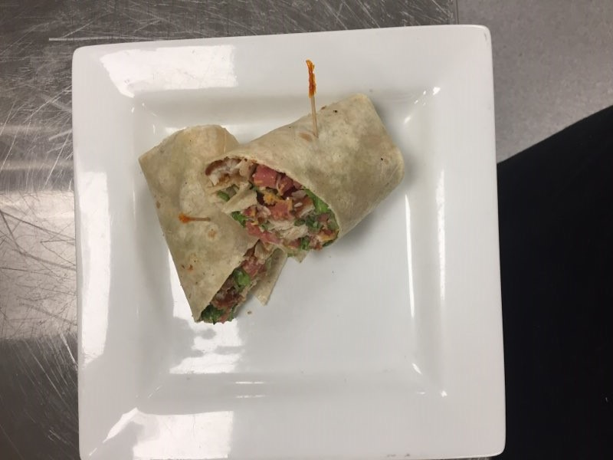

 |  | Vehicle:
 |  | Long plate

Food Safety Notes: |  | Recipe Cost |  | $102.69
* Wash hands before food preparation and when changing tasks. |  | Yield |  | 320
* Wear gloves or use suitable utensils when handling ready to eat foods. |  | Portion Cost |  | $0.32
* Hold cold foods at 40°F or less. |  | Q-Factor |  | 0%
* Hold hot foods at 140°F or more. |  | Total Cost |  | $0.32
* Record temperatures of potentially hazardous foods at least three times daily. |  | Menu Price
* Rinse all produce and immerse in a produce wash in a sanitized prep sink. |  | Food Cost % |  | #DIV/0!

